Info
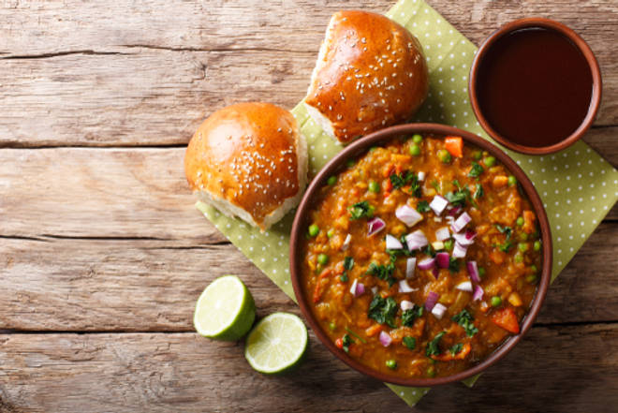
🍊 Restaurant Information

Name | Jay Bhavani Pavbhaji
Area | Yakutpura
Rating | 2.6
Total Ratings | 3 ratings
Cuisines | Street Food, Indian
Cost for Two | ₹300 for two
Delivery Time | 36 mins
Swiggy URL | https://www.swiggy.com/city/vadodara/jay-bhavani-pavbhaji-waghodia-road-yakutpura-rest373090
Scraped On | 18 Mar 2026, 10:45 am

── Menu Stats ──
Total Items | 4
Veg Items | 0
Non-Veg Items | 0
Bestsellers | 0
Items with Photo | 0
Categories | Recommended

