Info
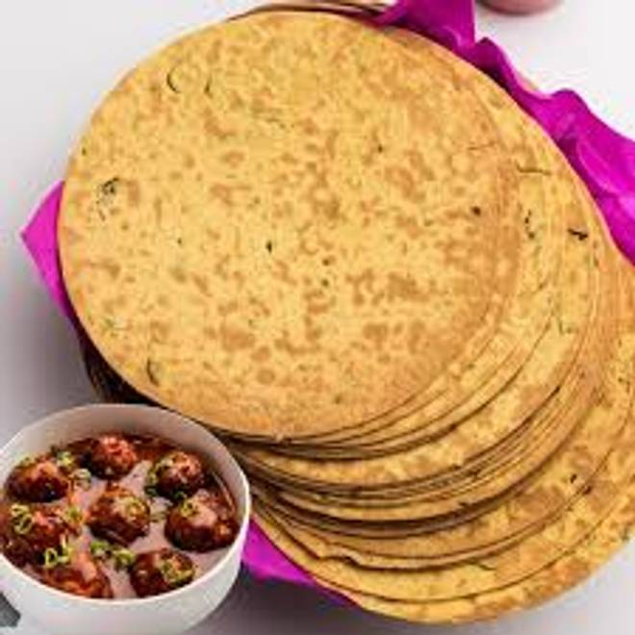
🍊 Restaurant Information

Name | Jay Dwarkadhish Sweet And Farsan
Area | Mandvi
Rating | --
Total Ratings | Too Few Ratings
Cuisines | Snacks
Cost for Two | ₹200 for two
Delivery Time | 35 mins
Swiggy URL | https://www.swiggy.com/city/vadodara/jay-dwarkadhish-sweet-and-farsan-mandvi-rest1079816
Scraped On | 18 Mar 2026, 10:42 am

── Menu Stats ──
Total Items | 12
Veg Items | 0
Non-Veg Items | 0
Bestsellers | 0
Items with Photo | 0
Categories | Snacks, Sweet

