Info
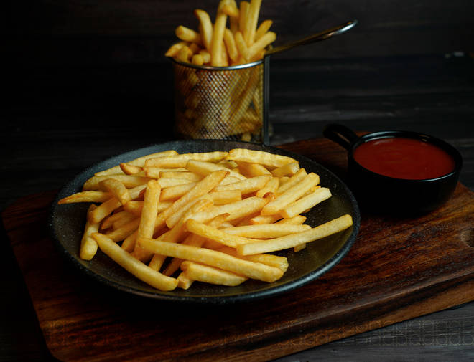
🍊 Restaurant Information

Name | Jay Jalaram Fast Food
Area | Akota
Rating | 5
Total Ratings | 5 ratings
Cuisines | Fast Food, Salads
Cost for Two | ₹150 for two
Delivery Time | 26 mins
Swiggy URL | https://www.swiggy.com/city/vadodara/jay-jalaram-fast-food-priya-talkies-akota-rest584448
Scraped On | 18 Mar 2026, 10:44 am

── Menu Stats ──
Total Items | 4
Veg Items | 0
Non-Veg Items | 0
Bestsellers | 0
Items with Photo | 3
Categories | Milk Shake

