Info
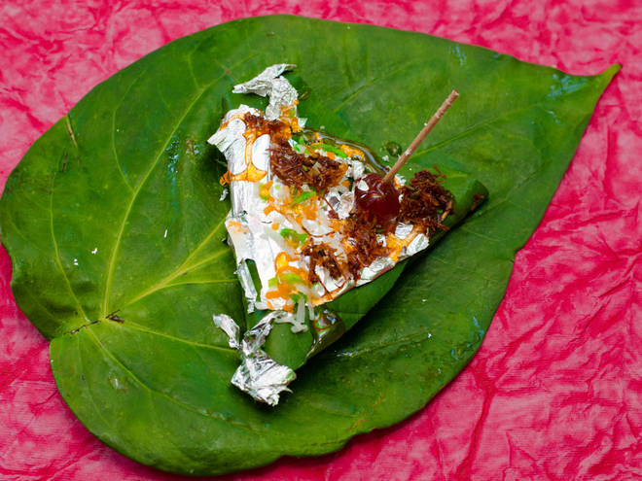
🍊 Restaurant Information

Name | Jay Jalarm Mukhwas
Area | Alkapuri
Rating | 2.5
Total Ratings | 5 ratings
Cuisines | Paan
Cost for Two | ₹300 for two
Delivery Time | 26 mins
Swiggy URL | https://www.swiggy.com/city/vadodara/jay-jalarm-mukhwas-akota-alkapuri-rest808079
Scraped On | 18 Mar 2026, 10:44 am

── Menu Stats ──
Total Items | 277
Veg Items | 0
Non-Veg Items | 0
Bestsellers | 0
Items with Photo | 23
Categories | Recommended, Supari, Pan, Amla, Churan, Simple Mukhwas, Peanuts And Chana, Seeds, Khakhra, Pan Box, Chikki, Pickles, Gotli, Masala, Silver Items, Roasted Namkeen, Dried Fruit, Dry Fruit

