Info
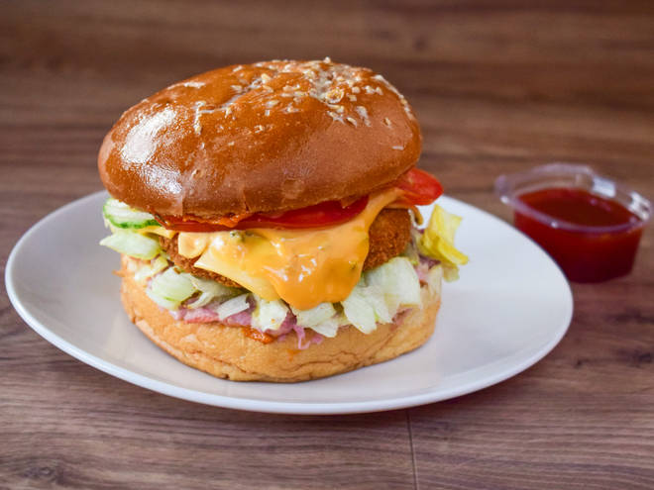
🍊 Restaurant Information

Name | Jeg's cafe
Area | Mandvi
Rating | 3.2
Total Ratings | 3 ratings
Cuisines | Indian
Cost for Two | ₹99 for two
Delivery Time | 38 mins
Swiggy URL | https://www.swiggy.com/city/vadodara/jegs-cafe-zavernagar-mandvi-rest732220
Scraped On | 18 Mar 2026, 10:46 am

── Menu Stats ──
Total Items | 29
Veg Items | 0
Non-Veg Items | 0
Bestsellers | 0
Items with Photo | 6
Categories | Pizzas, Burger, Garlic Bread, French Fries

