Info
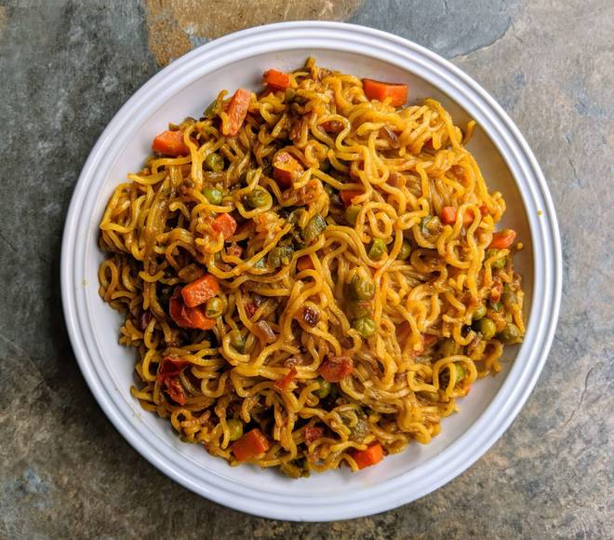
🍊 Restaurant Information

Name | Just Maggi
Area | Akota
Rating | 3.7
Total Ratings | 13 ratings
Cuisines | Fast Food, Burgers
Cost for Two | ₹400 for two
Delivery Time | 29 mins
Swiggy URL | https://www.swiggy.com/city/vadodara/just-maggi-akota-rest876055
Scraped On | 18 Mar 2026, 10:37 am

── Menu Stats ──
Total Items | 23
Veg Items | 0
Non-Veg Items | 0
Bestsellers | 0
Items with Photo | 3
Categories | Maggi, Snacks

