Info
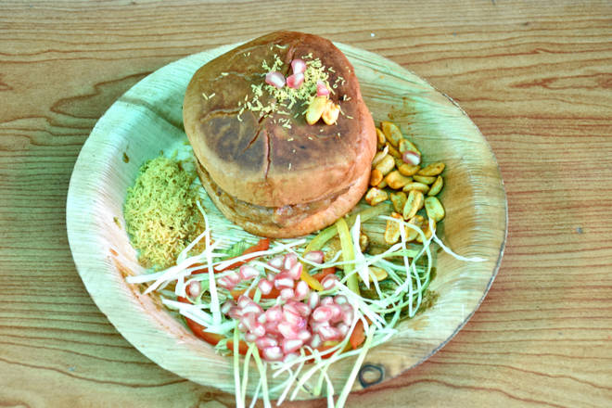
🍊 Restaurant Information

Name | K24 Bin Harif Dabeli
Area | Fatehgunj
Rating | 4.4
Total Ratings | 30 ratings
Cuisines | Street Food, Fast Food
Cost for Two | ₹200 for two
Delivery Time | 30 mins
Swiggy URL | https://www.swiggy.com/city/vadodara/k24-bin-harif-dabeli-seven-seas-mall-fatehgunj-rest507980
Scraped On | 18 Mar 2026, 10:45 am

── Menu Stats ──
Total Items | 0
Veg Items | 0
Non-Veg Items | 0
Bestsellers | 0
Items with Photo | 0
Categories

