Info
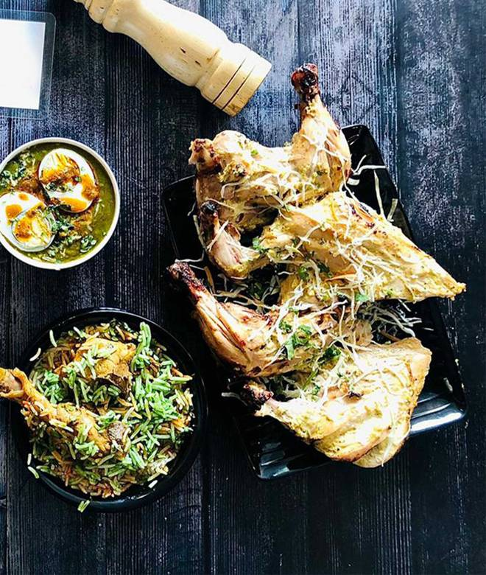
🍊 Restaurant Information

Name | Kali Mirch Cafe and restaurant
Area | Fatehgunj
Rating | 4.3
Total Ratings | 2.2K+ ratings
Cuisines | Chinese, Seafood
Cost for Two | ₹650 for two
Delivery Time | 35 mins
Swiggy URL | https://www.swiggy.com/city/vadodara/kali-mirch-cafe-and-restaurant-fatehgunj-rest71415
Scraped On | 18 Mar 2026, 10:40 am

── Menu Stats ──
Total Items | 219
Veg Items | 0
Non-Veg Items | 0
Bestsellers | 0
Items with Photo | 140
Categories | Recommended, Soup & Shorba, Noodles, Main Course, Chinese Rice, Starters, Party Combos

