Info
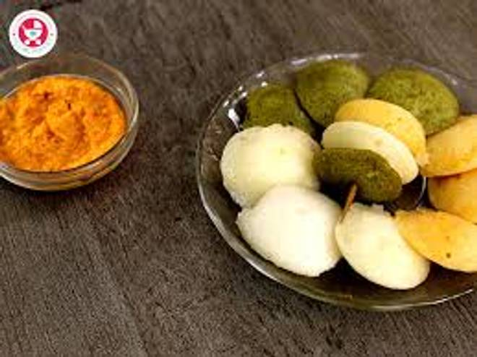
🍊 Restaurant Information

Name | Labfit Naturals
Area | Manjalpur
Rating | 4.4
Total Ratings | 21 ratings
Cuisines | South Indian, Sweets
Cost for Two | ₹200 for two
Delivery Time | 35 mins
Swiggy URL | https://www.swiggy.com/city/vadodara/labfit-naturals-manjalpur-rest1304105
Scraped On | 18 Mar 2026, 10:43 am

── Menu Stats ──
Total Items | 14
Veg Items | 0
Non-Veg Items | 0
Bestsellers | 0
Items with Photo | 14
Categories | Idli Items, Rice Items, Snacks

