Info
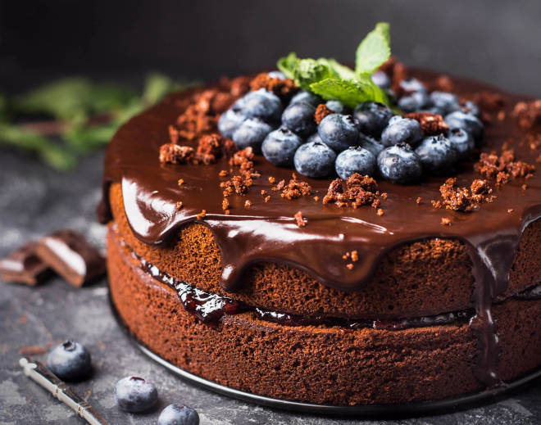
🍊 Restaurant Information

Name | Live Cake Bakery
Area | Mandvi
Rating | --
Total Ratings | Too Few Ratings
Cuisines | Desserts, Bakery
Cost for Two | ₹400 for two
Delivery Time | 37 mins
Swiggy URL | https://www.swiggy.com/city/vadodara/live-cake-bakery-rto-road-mandvi-rest1032478
Scraped On | 18 Mar 2026, 10:41 am

── Menu Stats ──
Total Items | 36
Veg Items | 0
Non-Veg Items | 0
Bestsellers | 0
Items with Photo | 0
Categories | Chocolate Cakes, Pineapple Cakes, Strawberry Cakes, Vanilla Cakes, Oreo Cakes, White Forest Cake, Black Forest Cake, Chocolate Cake, Butterscotch Cakes, Red Velvet Cake

