Info
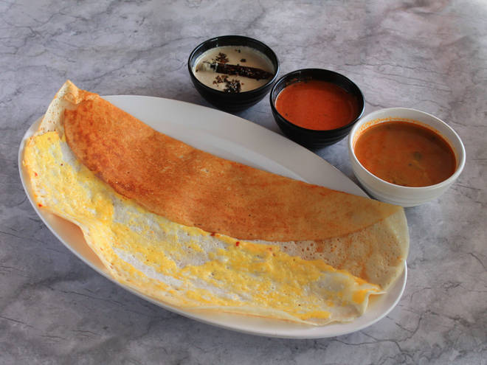
🍊 Restaurant Information

Name | Maji Sainik Omlet Centre
Area | Akota
Rating | 4.3
Total Ratings | 73 ratings
Cuisines | Snacks
Cost for Two | ₹300 for two
Delivery Time | 24 mins
Swiggy URL | https://www.swiggy.com/city/vadodara/maji-sainik-omlet-centre-akota-rest377379
Scraped On | 18 Mar 2026, 10:45 am

── Menu Stats ──
Total Items | 0
Veg Items | 0
Non-Veg Items | 0
Bestsellers | 0
Items with Photo | 0
Categories

