Info
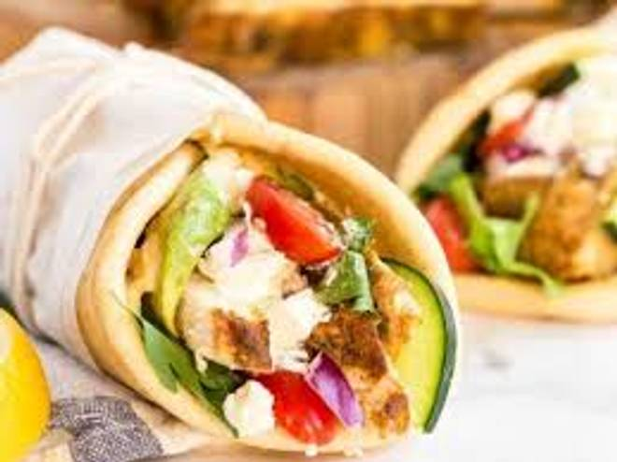
🍊 Restaurant Information

Name | Malai Paneer Shawarma House
Area | Fatehgunj
Rating | 3.4
Total Ratings | 10 ratings
Cuisines | Arabian
Cost for Two | ₹300 for two
Delivery Time | 32 mins
Swiggy URL | https://www.swiggy.com/city/vadodara/malai-paneer-shawarma-house-utkarsh-petrol-pump-fatehgunj-rest717581
Scraped On | 18 Mar 2026, 10:42 am

── Menu Stats ──
Total Items | 0
Veg Items | 0
Non-Veg Items | 0
Bestsellers | 0
Items with Photo | 0
Categories

