Info
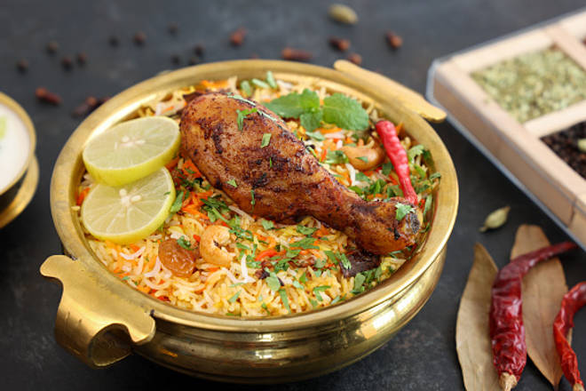
🍊 Restaurant Information

Name | Matlka Biriyani The Taste Of Hyderabad
Area | Akota
Rating | 2.1
Total Ratings | 3 ratings
Cuisines | Biryani, Mughlai
Cost for Two | ₹400 for two
Delivery Time | 25 mins
Swiggy URL | https://www.swiggy.com/city/vadodara/matlka-biriyani-the-taste-of-hyderabad-samanvay-silicon-akota-rest868745
Scraped On | 18 Mar 2026, 10:45 am

── Menu Stats ──
Total Items | 22
Veg Items | 0
Non-Veg Items | 0
Bestsellers | 0
Items with Photo | 12
Categories | Biryani, Non Veg Starters, Veg Starters, Main Course

