Info
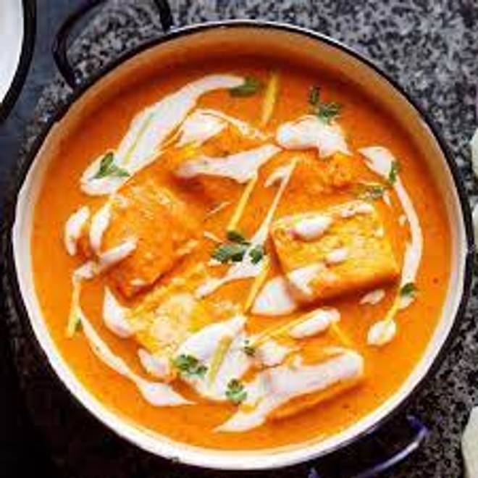
🍊 Restaurant Information

Name | Meals Time
Area | Akota
Rating | 3.1
Total Ratings | 21 ratings
Cuisines | Indian
Cost for Two | ₹350 for two
Delivery Time | 27 mins
Swiggy URL | https://www.swiggy.com/city/vadodara/meals-time-parshuram-nagar-akota-rest656671
Scraped On | 18 Mar 2026, 10:45 am

── Menu Stats ──
Total Items | 4
Veg Items | 0
Non-Veg Items | 0
Bestsellers | 0
Items with Photo | 2
Categories | Beverages

