Info
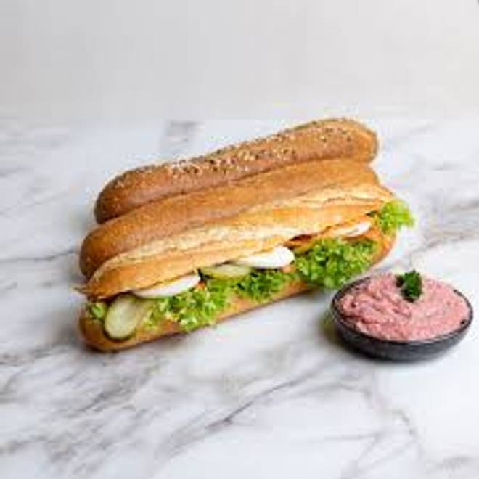
🍊 Restaurant Information

Name | Mexicado
Area | Manjalpur
Rating | 4.4
Total Ratings | 34 ratings
Cuisines | Mexican, Beverages
Cost for Two | ₹500 for two
Delivery Time | 30 mins
Swiggy URL | https://www.swiggy.com/city/vadodara/mexicado-manjalpur-rest1088249
Scraped On | 18 Mar 2026, 10:38 am

── Menu Stats ──
Total Items | 53
Veg Items | 0
Non-Veg Items | 0
Bestsellers | 0
Items with Photo | 53
Categories | Recommended, Mexicano Salads, Mexicana Bowls, Burrito Wraps, Sub Sandwiches, Side-kick, Loaded Nachos, Tacos Lacos, Cali Quesadillas, Desserts, Smoothies, Extra Dip Zone, Mexicado Mocktail

