Info
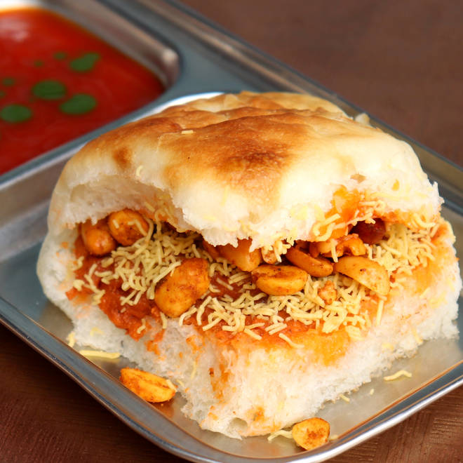
🍊 Restaurant Information

Name | Milan Dabeli Vadapav
Area | Kendranagar
Rating | 4.4
Total Ratings | 6.3K+ ratings
Cuisines | Fast Food, Snacks
Cost for Two | ₹300 for two
Delivery Time | 37 mins
Swiggy URL | https://www.swiggy.com/city/vadodara/milan-dabeli-vadapav-kendranagar-rest105084
Scraped On | 18 Mar 2026, 10:36 am

── Menu Stats ──
Total Items | 39
Veg Items | 0
Non-Veg Items | 0
Bestsellers | 0
Items with Photo | 1
Categories | Dabeli, Vada Pav

