Info
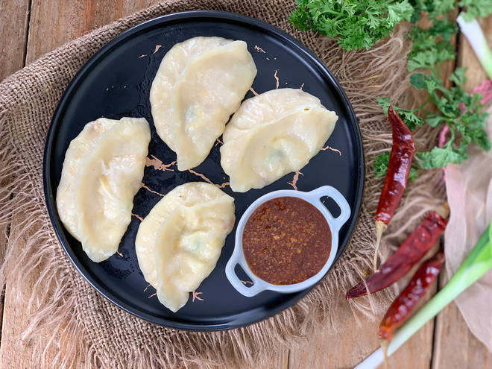
🍊 Restaurant Information

Name | Momos N More
Area | Mandvi
Rating | --
Total Ratings | Too Few Ratings
Cuisines | Fast Food
Cost for Two | ₹250 for two
Delivery Time | 39 mins
Swiggy URL | https://www.swiggy.com/city/vadodara/momos-n-more-mandvi-rest1125281
Scraped On | 18 Mar 2026, 10:41 am

── Menu Stats ──
Total Items | 28
Veg Items | 0
Non-Veg Items | 0
Bestsellers | 0
Items with Photo | 0
Categories | Signature Momos, Momo Mania, Wok Tossed Delights, French Fries, Shakes, Combo

