Info
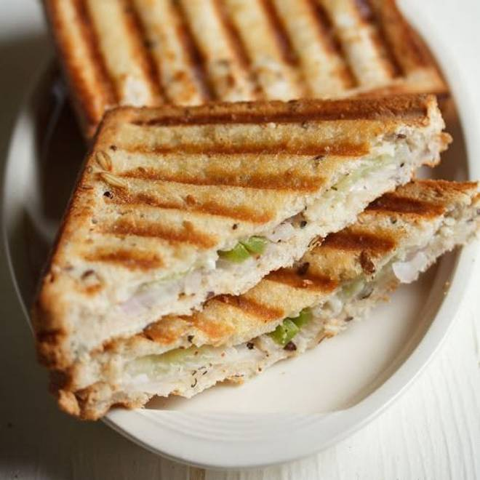
🍊 Restaurant Information

Name | Money Heist Sandwich Wala
Area | Mandvi
Rating | 2.6
Total Ratings | <3 ratings
Cuisines | Fast Food, Pizzas
Cost for Two | ₹250 for two
Delivery Time | 34 mins
Swiggy URL | https://www.swiggy.com/city/vadodara/money-heist-sandwich-wala-baranpura-mandvi-rest778428
Scraped On | 18 Mar 2026, 10:42 am

── Menu Stats ──
Total Items | 5
Veg Items | 0
Non-Veg Items | 0
Bestsellers | 0
Items with Photo | 2
Categories | Potato Varieties

