Info
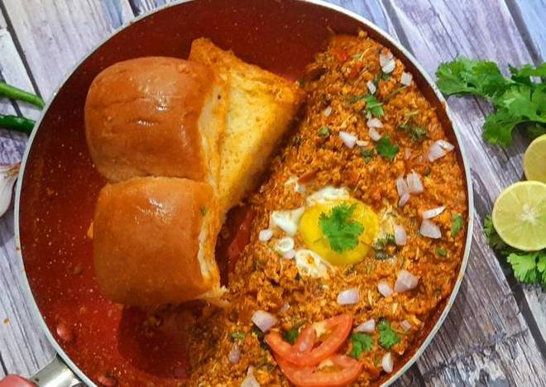
🍊 Restaurant Information

Name | Mr king Omelet And Fast Food
Area | Mandvi
Rating | 4.4
Total Ratings | 17 ratings
Cuisines | Punjabi, Thalis
Cost for Two | ₹150 for two
Delivery Time | 44 mins
Swiggy URL | https://www.swiggy.com/city/vadodara/mr-king-omelet-and-fast-food-kashiba-nagar-mandvi-rest813565
Scraped On | 18 Mar 2026, 10:44 am

── Menu Stats ──
Total Items | 21
Veg Items | 0
Non-Veg Items | 0
Bestsellers | 0
Items with Photo | 12
Categories | Egg Iteam, Pulao, Noodles Red Pasta, Roti

