Info
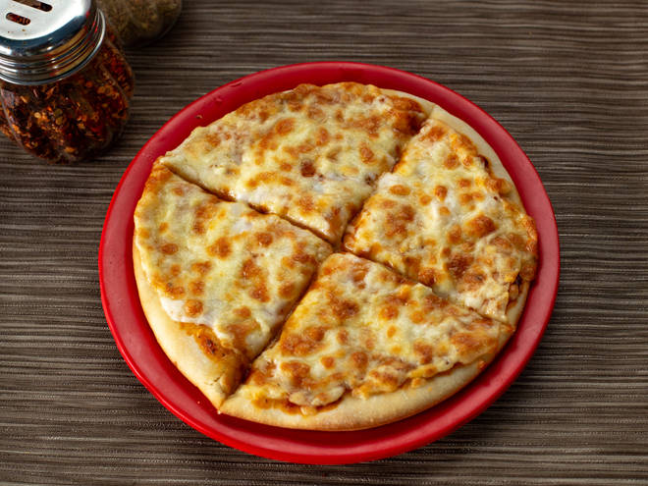
🍊 Restaurant Information

Name | Munchane Pizzas
Area | Akota
Rating | 3.9
Total Ratings | 779 ratings
Cuisines | Italian, Fast Food
Cost for Two | ₹400 for two
Delivery Time | 29 mins
Swiggy URL | https://www.swiggy.com/city/vadodara/munchane-pizzas-sampatrao-colony-akota-rest790657
Scraped On | 18 Mar 2026, 10:44 am

── Menu Stats ──
Total Items | 73
Veg Items | 0
Non-Veg Items | 0
Bestsellers | 0
Items with Photo | 34
Categories | Recommended, Pizzas , Quick Bites, Pocket Friendly Combos, Desserts And Beverages, Munchane Club Pizza, Milk Shakes

