Info
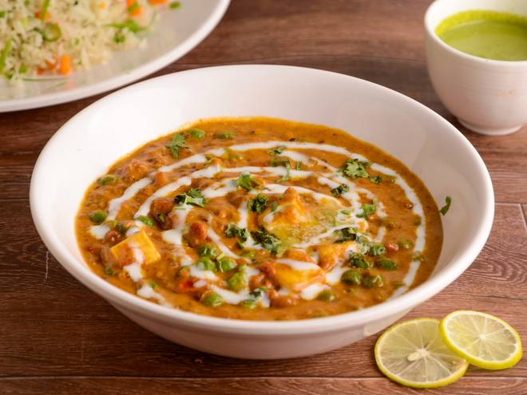
🍊 Restaurant Information

Name | Neha'S Satvik Kitchen
Area | Karelibaug
Rating | --
Total Ratings | Too Few Ratings
Cuisines | Punjabi
Cost for Two | ₹400 for two
Delivery Time | 33 mins
Swiggy URL | https://www.swiggy.com/city/vadodara/nehas-satvik-kitchen-saimandir-appartment-karelibaug-rest1013774
Scraped On | 18 Mar 2026, 10:42 am

── Menu Stats ──
Total Items | 12
Veg Items | 0
Non-Veg Items | 0
Bestsellers | 0
Items with Photo | 8
Categories | Main Course, Breads, Biryani

