Info
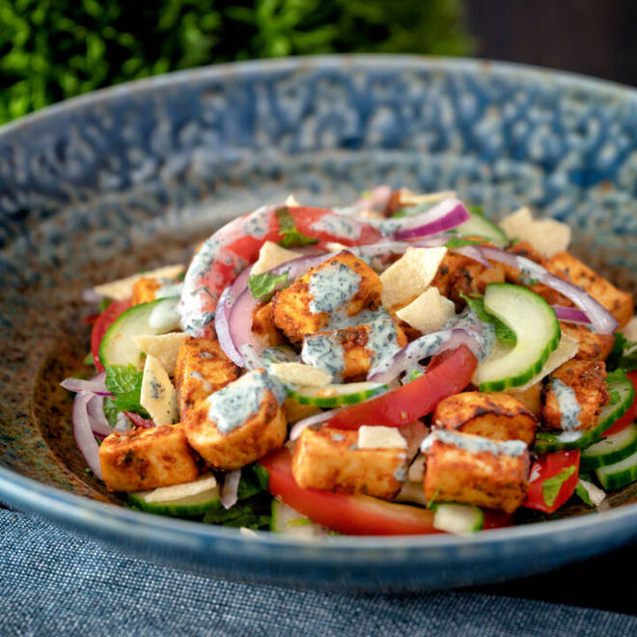
🍊 Restaurant Information

Name | Nourish N Go
Area | Akota
Rating | 2.8
Total Ratings | 11 ratings
Cuisines | Salads, Cafe
Cost for Two | ₹400 for two
Delivery Time | 32 mins
Swiggy URL | https://www.swiggy.com/city/vadodara/nourish-n-go-samanvay-silicon-akota-rest872679
Scraped On | 18 Mar 2026, 10:37 am

── Menu Stats ──
Total Items | 56
Veg Items | 0
Non-Veg Items | 0
Bestsellers | 0
Items with Photo | 39
Categories | Recommended, Salads, Rolls, Rice Bowls, Starters

