Info
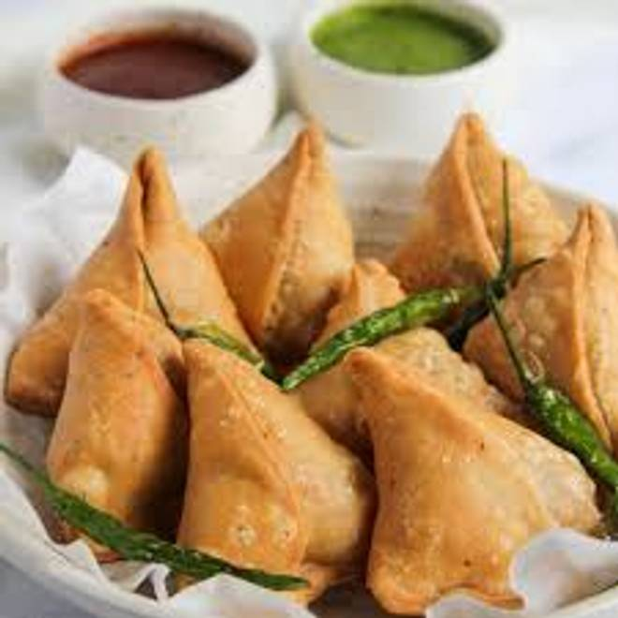
🍊 Restaurant Information

Name | Old City Snacks
Area | Mandvi
Rating | 5
Total Ratings | 3 ratings
Cuisines | Indian, Ice Cream
Cost for Two | ₹100 for two
Delivery Time | 33 mins
Swiggy URL | https://www.swiggy.com/city/vadodara/old-city-snacks-mandvi-rest1313425
Scraped On | 18 Mar 2026, 10:36 am

── Menu Stats ──
Total Items | 11
Veg Items | 0
Non-Veg Items | 0
Bestsellers | 0
Items with Photo | 11
Categories | Snacks, Hot Beverages

