Info
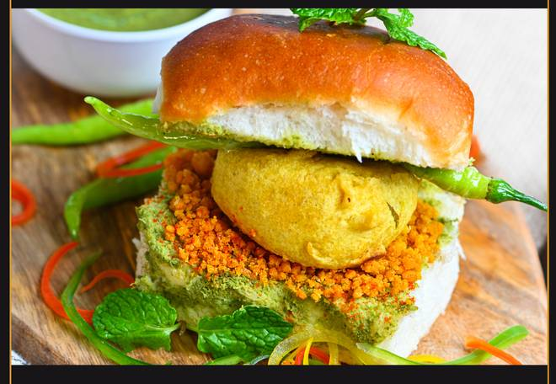
🍊 Restaurant Information

Name | Potdar Puranpoli
Area | Mandvi
Rating | 4.6
Total Ratings | 71 ratings
Cuisines | Indian
Cost for Two | ₹100 for two
Delivery Time | 38 mins
Swiggy URL | https://www.swiggy.com/city/vadodara/potdar-puranpoli-karelibaug-mandvi-rest583190
Scraped On | 18 Mar 2026, 10:40 am

── Menu Stats ──
Total Items | 38
Veg Items | 0
Non-Veg Items | 0
Bestsellers | 0
Items with Photo | 17
Categories | Buy 2 Get 1 Free, Recommended, Maharashtrian Special, Beverages, Upvaas special, Combos

