Info
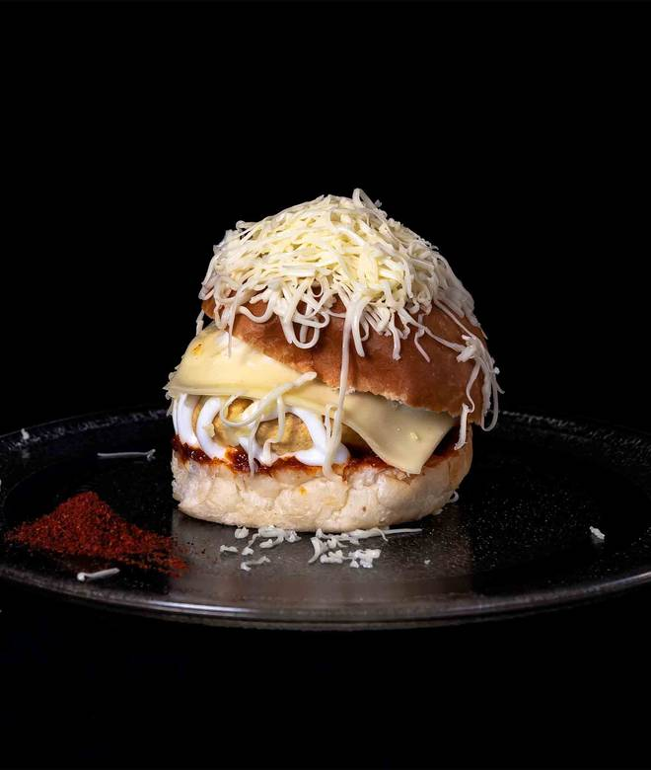
🍊 Restaurant Information

Name | Puff Park
Area | Gautam Nagar
Rating | 4.5
Total Ratings | 144 ratings
Cuisines | Street Food, Pizzas
Cost for Two | ₹250 for two
Delivery Time | 18 mins
Swiggy URL | https://www.swiggy.com/city/vadodara/puff-park-bombay-shopping-centre-gautam-nagar-rest433287
Scraped On | 18 Mar 2026, 10:38 am

── Menu Stats ──
Total Items | 38
Veg Items | 0
Non-Veg Items | 0
Bestsellers | 0
Items with Photo | 29
Categories | Recommended, Puff, Maggi, Bread Slice, Cold Drinks

