Info
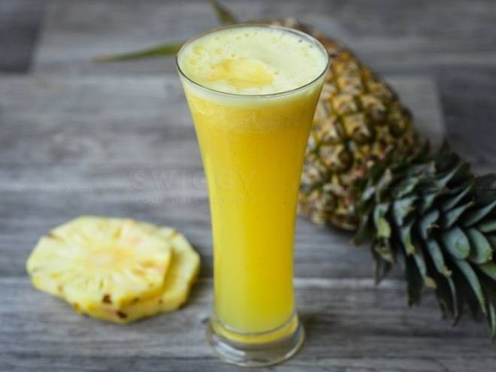
🍊 Restaurant Information

Name | Raja Fruits and Juice Centre
Area | Fatehgunj
Rating | 3.7
Total Ratings | 3 ratings
Cuisines | Juices
Cost for Two | ₹200 for two
Delivery Time | 31 mins
Swiggy URL | https://www.swiggy.com/city/vadodara/raja-fruits-and-juice-centre-fatehgunj-rest503228
Scraped On | 18 Mar 2026, 10:44 am

── Menu Stats ──
Total Items | 34
Veg Items | 0
Non-Veg Items | 0
Bestsellers | 0
Items with Photo | 9
Categories | Sugarcane juice, Mix Juices, Natural shakes, Fruits Juice

