Info
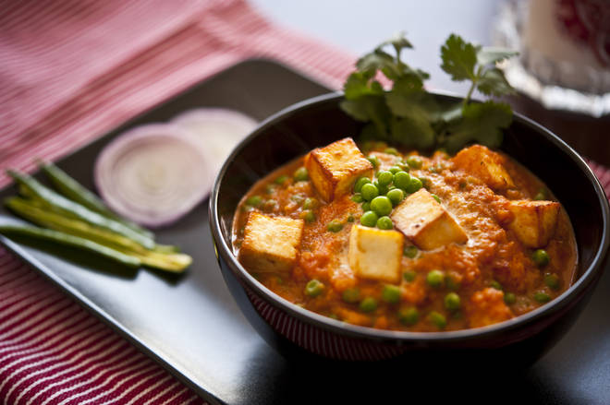
🍊 Restaurant Information

Name | Real Kathiyawadi Restaurant
Area | Sayajipura
Rating | 4.4
Total Ratings | 1.9K+ ratings
Cuisines | Gujarati, North Indian
Cost for Two | ₹350 for two
Delivery Time | 44 mins
Swiggy URL | https://www.swiggy.com/city/vadodara/real-kathiyawadi-restaurant-sayajipura-rest139707
Scraped On | 18 Mar 2026, 10:43 am

── Menu Stats ──
Total Items | 179
Veg Items | 0
Non-Veg Items | 0
Bestsellers | 0
Items with Photo | 27
Categories | Paneer Ki Pasand, Kathiyavad Ni Moj, Lunch And Dinner, Khas Khichdi Kadhi, Family Combos, Roti Ni Ramzat, Chawal Ki Chahat, Sabjiyo Ka Swad, Super Value Combos, Corn/mushroom, Fried Rice, Beverage, Kaju Ka Kamal, Papad/salad/raita, Kathiyavadi Starters, Dal Ki Dawat, Noodles, Cheese Ka Chaska, Biryani Combos, Chinese Starters Ke Sath, Soup Se Shuruat, Sweets, Tandoori Starters Ke Sath

