Info
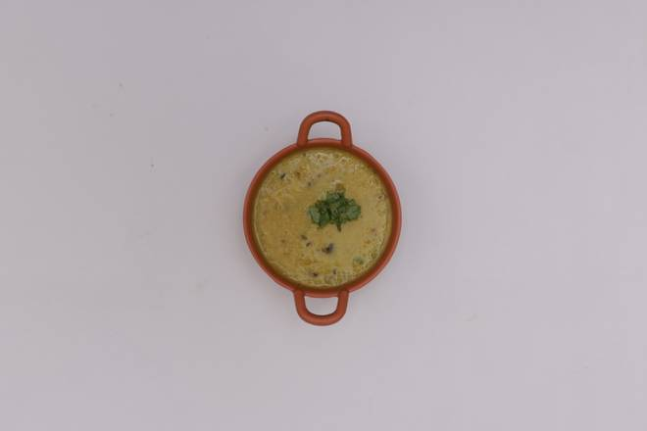
🍊 Restaurant Information

Name | Rich Kitchen
Area | Mandvi
Rating | --
Total Ratings | Too Few Ratings
Cuisines | Indian
Cost for Two | ₹200 for two
Delivery Time | 37 mins
Swiggy URL | https://www.swiggy.com/city/vadodara/rich-kitchen-warasiya-mandvi-rest793030
Scraped On | 18 Mar 2026, 10:42 am

── Menu Stats ──
Total Items | 5
Veg Items | 0
Non-Veg Items | 0
Bestsellers | 0
Items with Photo | 3
Categories | Potato Varieties

