Info
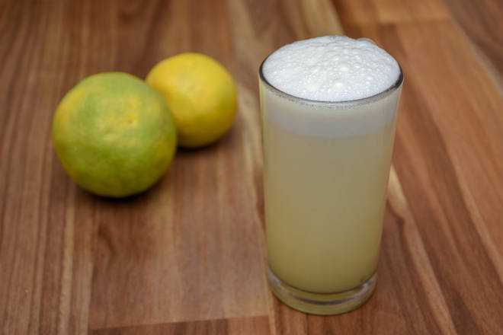
🍊 Restaurant Information

Name | Sabar Soda & Juice
Area | Mandvi
Rating | --
Total Ratings | Too Few Ratings
Cuisines | Juices
Cost for Two | ₹150 for two
Delivery Time | 30 mins
Swiggy URL | https://www.swiggy.com/city/vadodara/sabar-soda-and-juice-king-xerox-mandvi-rest715017
Scraped On | 18 Mar 2026, 10:42 am

── Menu Stats ──
Total Items | 8
Veg Items | 0
Non-Veg Items | 0
Bestsellers | 0
Items with Photo | 2
Categories | Beverages

