Info
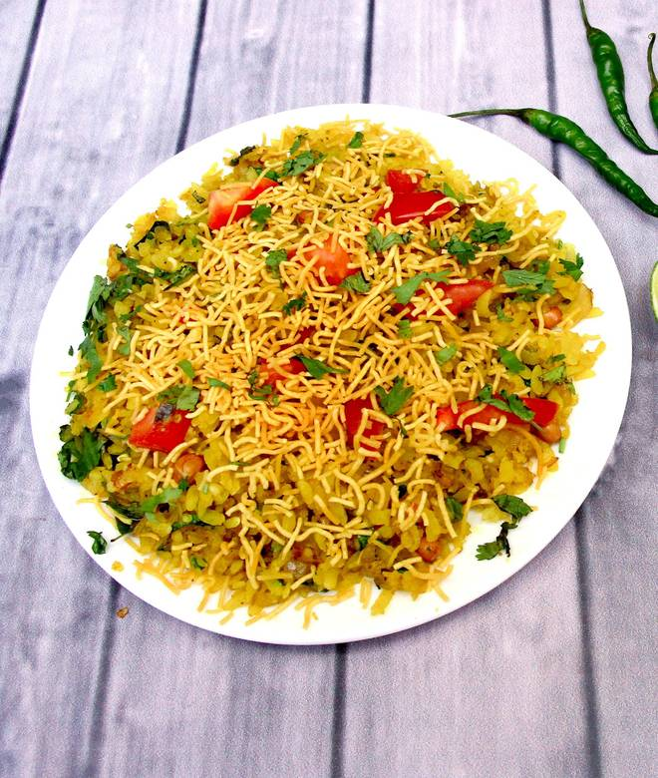
🍊 Restaurant Information

Name | Sai Shraddha Nasta House And Omlet Center
Area | Mandvi
Rating | --
Total Ratings | Too Few Ratings
Cuisines | Snacks, Street Food
Cost for Two | ₹150 for two
Delivery Time | 27 mins
Swiggy URL | https://www.swiggy.com/city/vadodara/sai-shraddha-nasta-house-and-omlet-center-mandvi-rest520578
Scraped On | 18 Mar 2026, 10:41 am

── Menu Stats ──
Total Items | 0
Veg Items | 0
Non-Veg Items | 0
Bestsellers | 0
Items with Photo | 0
Categories

