Info
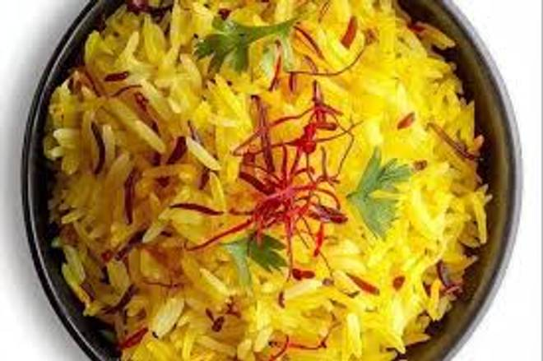
🍊 Restaurant Information

Name | Sai saffron
Area | Mandvi
Rating | NEW
Total Ratings
Cuisines | Snacks
Cost for Two | ₹100 for two
Delivery Time | 44 mins
Swiggy URL | https://www.swiggy.com/city/vadodara/sai-saffron-mandvi-rest1279664
Scraped On | 18 Mar 2026, 10:44 am

── Menu Stats ──
Total Items | 7
Veg Items | 0
Non-Veg Items | 0
Bestsellers | 0
Items with Photo | 7
Categories | Breakfast, Hot Beverages, Maggie Varieties, Paratha And Bhakhri, Meal

