Info
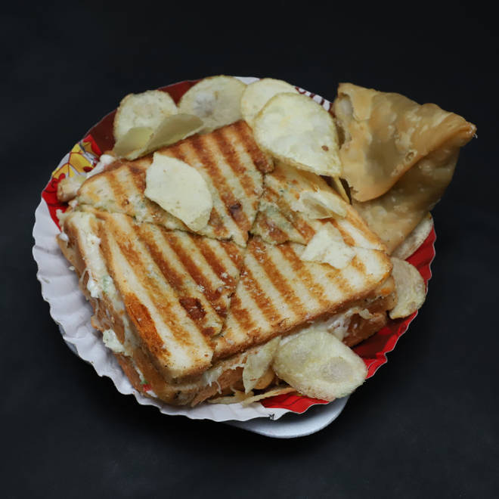
🍊 Restaurant Information

Name | Sainath Refreshments - Daji Paan Wala
Area | Sayajigunj
Rating | 4.4
Total Ratings | 505 ratings
Cuisines | Paan, Snacks
Cost for Two | ₹150 for two
Delivery Time | 33 mins
Swiggy URL | https://www.swiggy.com/city/vadodara/sainath-refreshments-daji-paan-wala-palace-road-sayajigunj-rest88579
Scraped On | 18 Mar 2026, 10:42 am

── Menu Stats ──
Total Items | 0
Veg Items | 0
Non-Veg Items | 0
Bestsellers | 0
Items with Photo | 0
Categories

