Info
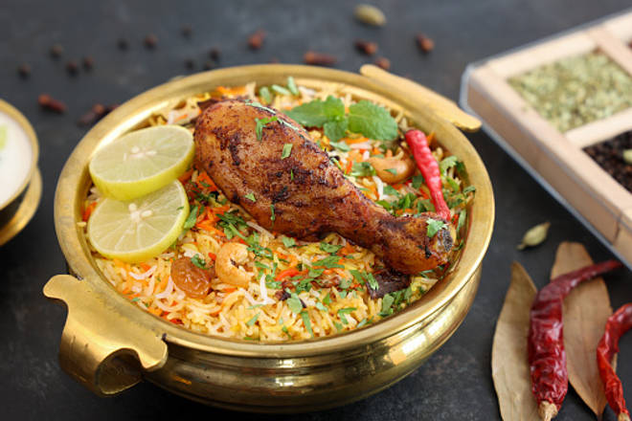
🍊 Restaurant Information

Name | Shalimar bombay CATERERS
Area | Fatehgunj
Rating | 4
Total Ratings | 87 ratings
Cuisines | Biryani
Cost for Two | ₹200 for two
Delivery Time | 21 mins
Swiggy URL | https://www.swiggy.com/city/vadodara/shalimar-bombay-caterers-fatehgunj-rest1089993
Scraped On | 18 Mar 2026, 10:38 am

── Menu Stats ──
Total Items | 1
Veg Items | 0
Non-Veg Items | 0
Bestsellers | 0
Items with Photo | 1
Categories | Biryani

