Info
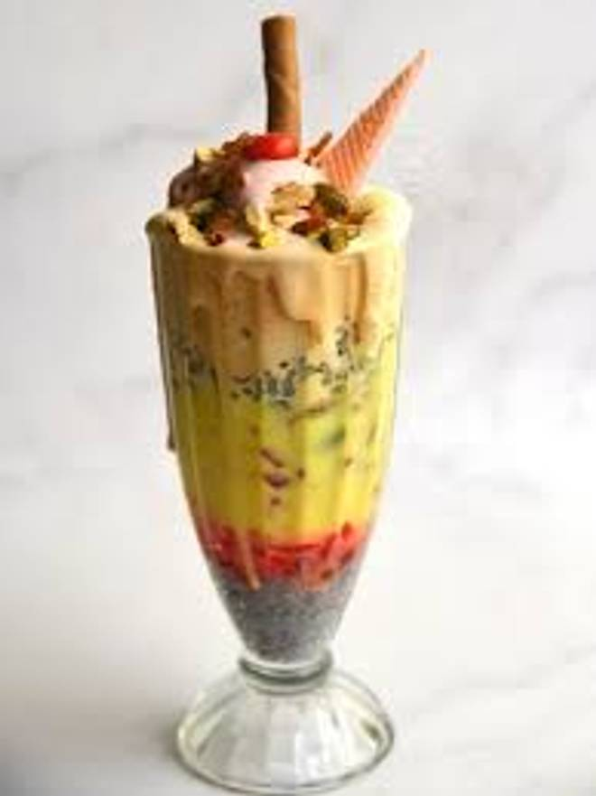
🍊 Restaurant Information

Name | Sharma Nasta
Area | Mandvi
Rating | --
Total Ratings | Too Few Ratings
Cuisines | Breakfast
Cost for Two | ₹200 for two
Delivery Time | 29 mins
Swiggy URL | https://www.swiggy.com/city/vadodara/sharma-nasta-mandvi-rest1123235
Scraped On | 18 Mar 2026, 10:41 am

── Menu Stats ──
Total Items | 4
Veg Items | 0
Non-Veg Items | 0
Bestsellers | 0
Items with Photo | 0
Categories | Nasta Breakfast

