Info
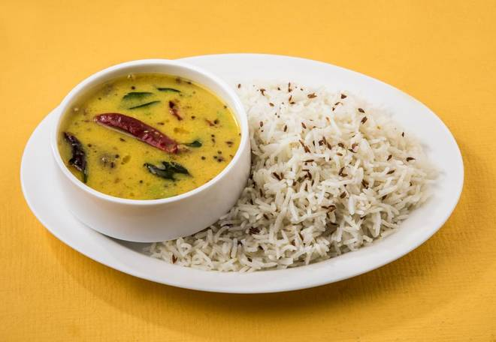
🍊 Restaurant Information

Name | Shivalaya Restaurant
Area | Fatehgunj
Rating | --
Total Ratings | Too Few Ratings
Cuisines | Indian
Cost for Two | ₹150 for two
Delivery Time | 30 mins
Swiggy URL | https://www.swiggy.com/city/vadodara/shivalaya-restaurant-nizampura-fatehgunj-rest668138
Scraped On | 18 Mar 2026, 10:46 am

── Menu Stats ──
Total Items | 0
Veg Items | 0
Non-Veg Items | 0
Bestsellers | 0
Items with Photo | 0
Categories

