Info
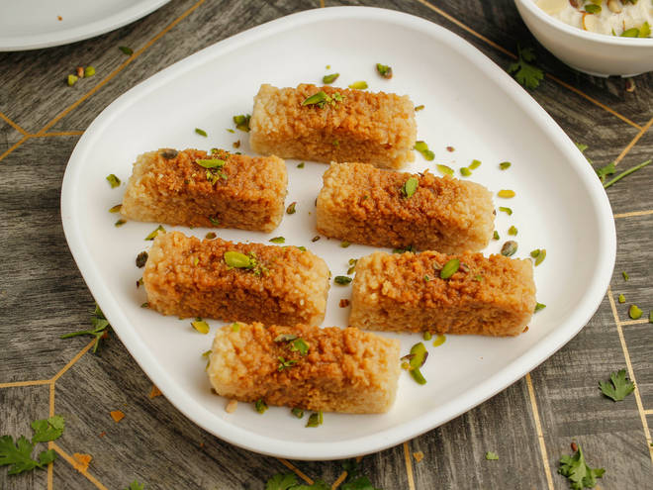
🍊 Restaurant Information

Name | Shree Bajrang Milk And Sweet Center
Area | Manjalpur
Rating | 4.2
Total Ratings | 80 ratings
Cuisines | Sweets, Desserts
Cost for Two | ₹400 for two
Delivery Time | 31 mins
Swiggy URL | https://www.swiggy.com/city/vadodara/shree-bajrang-milk-and-sweet-center-makkarpura-road-manjalpur-rest776143
Scraped On | 18 Mar 2026, 10:38 am

── Menu Stats ──
Total Items | 102
Veg Items | 0
Non-Veg Items | 0
Bestsellers | 0
Items with Photo | 7
Categories | Recommended, Desserts

