Info
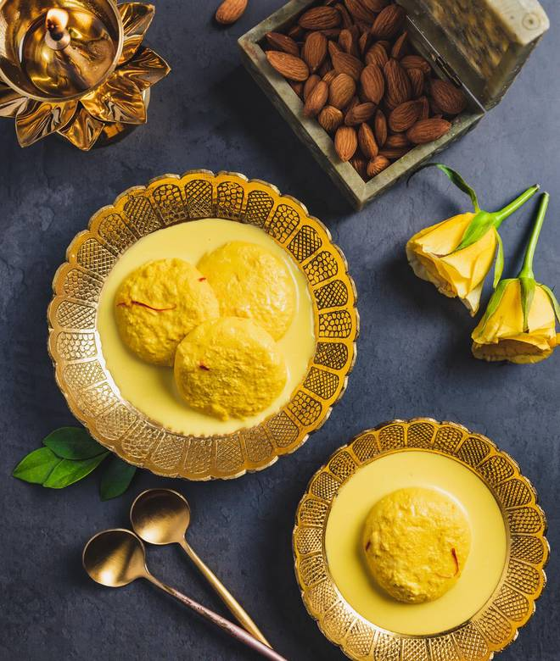
🍊 Restaurant Information

Name | Shree Rasanand
Area | Alkapuri
Rating | 4.2
Total Ratings | 660 ratings
Cuisines | Sweets, Desserts
Cost for Two | ₹400 for two
Delivery Time | 25 mins
Swiggy URL | https://www.swiggy.com/city/vadodara/shree-rasanand-dutt-road-alkapuri-rest71059
Scraped On | 18 Mar 2026, 10:36 am

── Menu Stats ──
Total Items | 319
Veg Items | 0
Non-Veg Items | 0
Bestsellers | 0
Items with Photo | 47
Categories | Recommended, Bevereges, Must Try Combos, Khakhra, Sweets, Hot Snacks, Baklawa, Bites, Dry Fruits, Bengali Sweets, Farali Specials, Shrikhand, Snacks, Mawa Barfi, Winter Specials, Khari, Cookies N Rolls, Lassi, Toast, Shivratri Special Farali, Sweet Success Treats, Navratri Specials

