Info
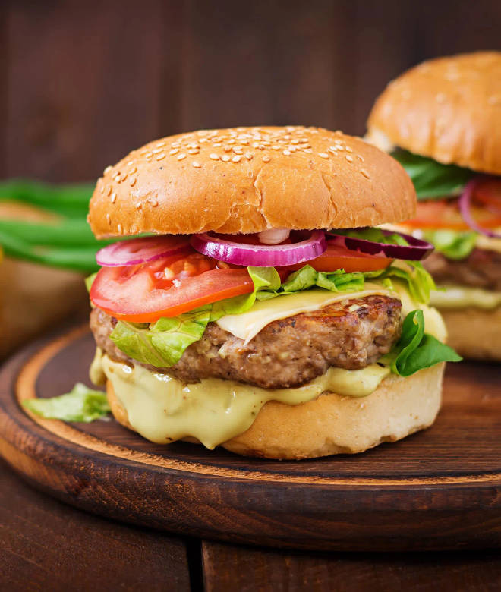
🍊 Restaurant Information

Name | Shree Sai Pizza And Fast Food
Area | Akota
Rating | --
Total Ratings | Too Few Ratings
Cuisines | French, Snacks
Cost for Two | ₹250 for two
Delivery Time | 30 mins
Swiggy URL | https://www.swiggy.com/city/vadodara/shree-sai-pizza-and-fast-food-akota-rest981057
Scraped On | 18 Mar 2026, 10:45 am

── Menu Stats ──
Total Items | 76
Veg Items | 0
Non-Veg Items | 0
Bestsellers | 0
Items with Photo | 17
Categories | Recommended, Frankie, Burger, Bread Butter, Grill Sandwich With Waffer, Bread Roll, Hot Dog, French Fries, Sandwich, Maska Bun, Garlic Bread

