Info
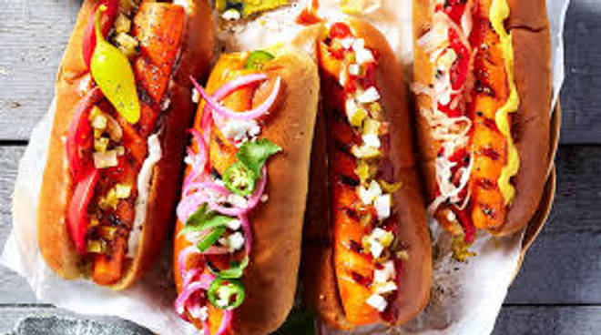
🍊 Restaurant Information

Name | Snacks Bazar
Area | Mandvi
Rating | --
Total Ratings | Too Few Ratings
Cuisines | Street Food
Cost for Two | ₹250 for two
Delivery Time | 40 mins
Swiggy URL | https://www.swiggy.com/city/vadodara/snacks-bazar-mandvi-rest1165442
Scraped On | 18 Mar 2026, 10:41 am

── Menu Stats ──
Total Items | 36
Veg Items | 0
Non-Veg Items | 0
Bestsellers | 0
Items with Photo | 4
Categories | Sandwich, French Fries, Papdi Lot, Cutlet, Batata Vada, Maggi

