Info
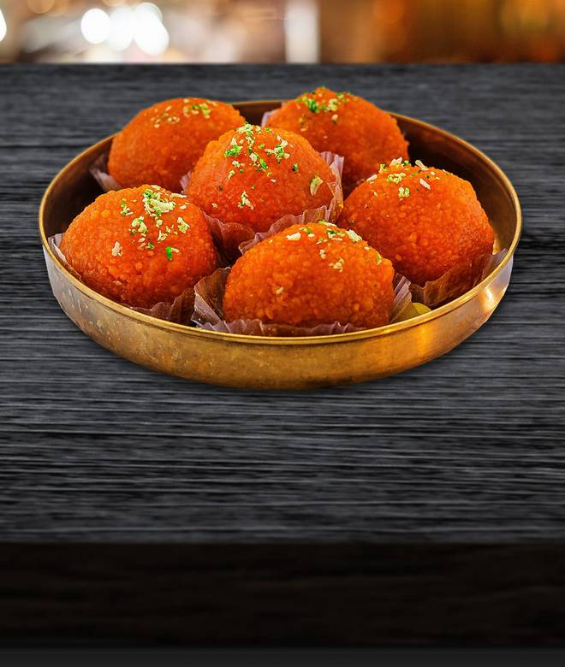
🍊 Restaurant Information

Name | Sukkhadia Ratanlal Ambalal
Area | Mandvi
Rating | 4.9
Total Ratings | 7 ratings
Cuisines | Sweets, Snacks
Cost for Two | ₹300 for two
Delivery Time | 32 mins
Swiggy URL | https://www.swiggy.com/city/vadodara/sukkhadia-ratanlal-ambalal-rajmahal-road-mandvi-rest689370
Scraped On | 18 Mar 2026, 10:42 am

── Menu Stats ──
Total Items | 5
Veg Items | 0
Non-Veg Items | 0
Bestsellers | 0
Items with Photo | 4
Categories | Potato Varieties

