Info
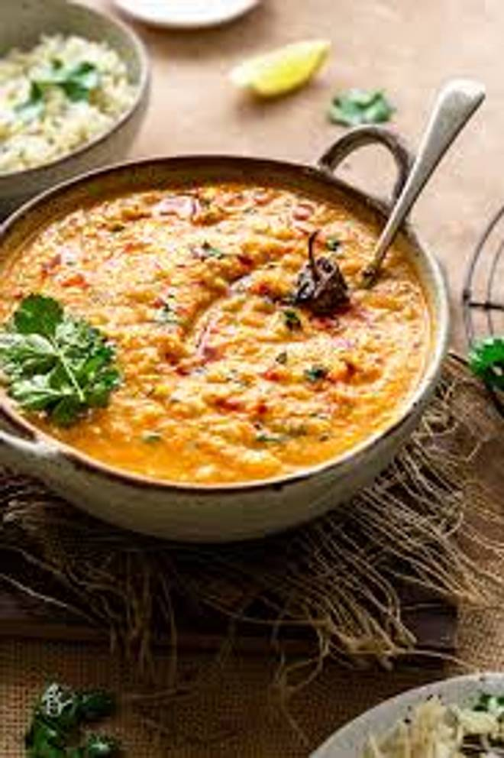
🍊 Restaurant Information

Name | Swarnam Restaurant
Area | Fatehgunj
Rating | 4.5
Total Ratings | 26 ratings
Cuisines | North Indian
Cost for Two | ₹199 for two
Delivery Time | 31 mins
Swiggy URL | https://www.swiggy.com/city/vadodara/swarnam-restaurant-fatehgunj-rest1150541
Scraped On | 18 Mar 2026, 10:39 am

── Menu Stats ──
Total Items | 185
Veg Items | 0
Non-Veg Items | 0
Bestsellers | 0
Items with Photo | 34
Categories | Recommended, Paneer, Indian Main Course (Veg), Rice, Chinese Starter, Dal, Tandoori Rotis, Soups, Pantry, Beverages, Sizzler, Kaju Special, Starter Tandoor, Chinese Main Course, Mocktail, Tandoori Roti., Kofta, Thali, Fast Food

