Info
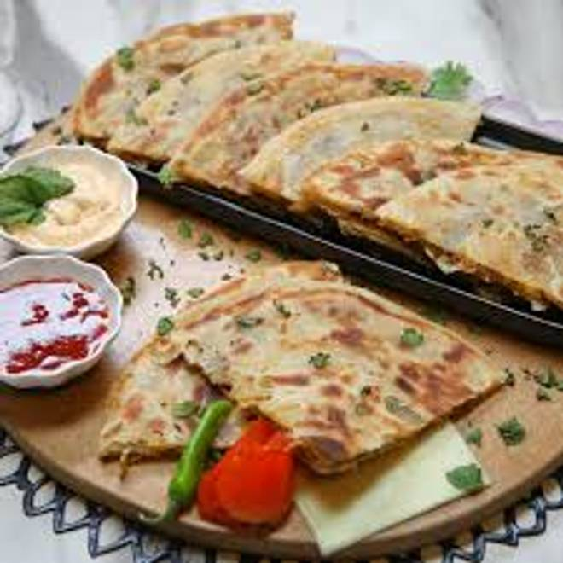
🍊 Restaurant Information

Name | Tasleem Kitchen
Area | Mandvi
Rating | --
Total Ratings | Too Few Ratings
Cuisines | Snacks, Fast Food
Cost for Two | ₹300 for two
Delivery Time | 35 mins
Swiggy URL | https://www.swiggy.com/city/vadodara/tasleem-kitchen-mandvi-rest1043246
Scraped On | 18 Mar 2026, 10:42 am

── Menu Stats ──
Total Items | 6
Veg Items | 0
Non-Veg Items | 0
Bestsellers | 0
Items with Photo | 6
Categories | Frankie, Grilled sandwich

