Info
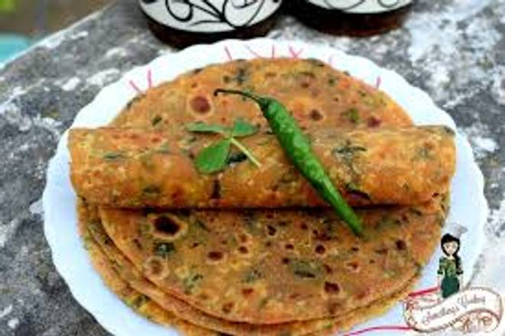
🍊 Restaurant Information

Name | Tasty Task
Area | Akota
Rating | --
Total Ratings | Too Few Ratings
Cuisines | Indian, Snacks
Cost for Two | ₹200 for two
Delivery Time | 24 mins
Swiggy URL | https://www.swiggy.com/city/vadodara/tasty-task-akota-rest1099493
Scraped On | 18 Mar 2026, 10:45 am

── Menu Stats ──
Total Items | 13
Veg Items | 0
Non-Veg Items | 0
Bestsellers | 0
Items with Photo | 0
Categories | Snacks, Maggi, Sandwiches, Meals, Bread

