Info
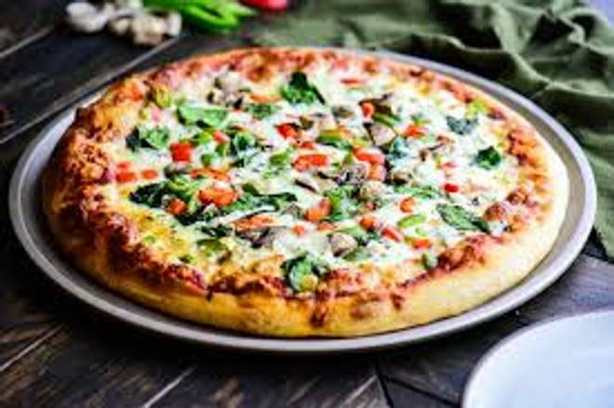
🍊 Restaurant Information

Name | The Lucali'S Pizzeria
Area | Akota
Rating | --
Total Ratings | Too Few Ratings
Cuisines | Pizzas
Cost for Two | ₹250 for two
Delivery Time | 25 mins
Swiggy URL | https://www.swiggy.com/city/vadodara/the-lucalis-pizzeria-akota-rest1029191
Scraped On | 18 Mar 2026, 10:45 am

── Menu Stats ──
Total Items | 4
Veg Items | 0
Non-Veg Items | 0
Bestsellers | 0
Items with Photo | 4
Categories | Milk Shake

