Info
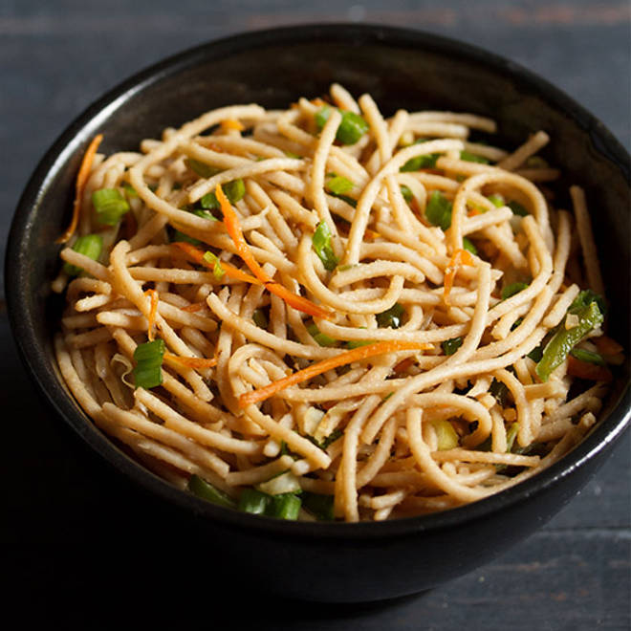
🍊 Restaurant Information

Name | The Mandrin's Wok The taste of China
Area | Akota
Rating | 4
Total Ratings | 70 ratings
Cuisines | Fast Food, Cafe
Cost for Two | ₹400 for two
Delivery Time | 24 mins
Swiggy URL | https://www.swiggy.com/city/vadodara/the-mandrins-wok-the-taste-of-china-samanvay-silicon-akota-rest872683
Scraped On | 18 Mar 2026, 10:37 am

── Menu Stats ──
Total Items | 39
Veg Items | 0
Non-Veg Items | 0
Bestsellers | 0
Items with Photo | 25
Categories | Recommended, Fried Rice N Noodles, Combo, Dry Starters

