Info
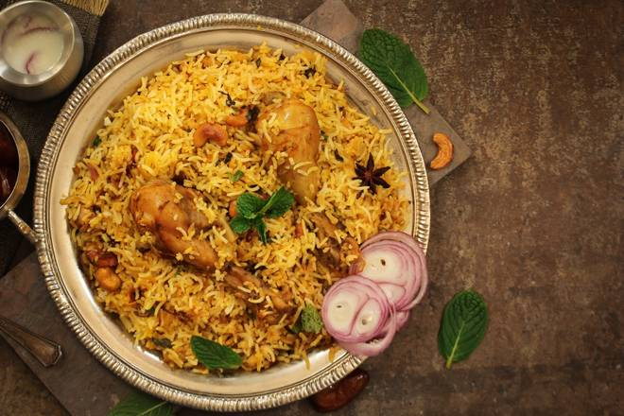
🍊 Restaurant Information

Name | The Noshers
Area | Sayajiganj
Rating | --
Total Ratings | Too Few Ratings
Cuisines | Chinese, North Indian
Cost for Two | ₹250 for two
Delivery Time | 23 mins
Swiggy URL | https://www.swiggy.com/city/vadodara/the-noshers-vip-road-sayajiganj-rest416192
Scraped On | 18 Mar 2026, 10:45 am

── Menu Stats ──
Total Items | 0
Veg Items | 0
Non-Veg Items | 0
Bestsellers | 0
Items with Photo | 0
Categories

