Info
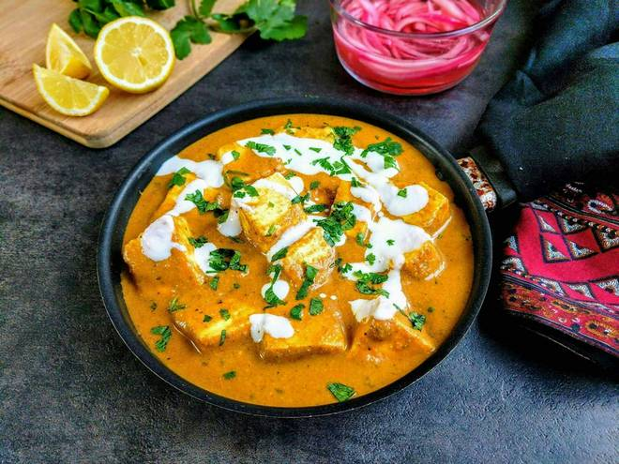
🍊 Restaurant Information

Name | The Stuff Kitchen
Area | Karelibagh
Rating | 4.5
Total Ratings | 64 ratings
Cuisines | Chinese, Tandoor
Cost for Two | ₹300 for two
Delivery Time | 32 mins
Swiggy URL | https://www.swiggy.com/city/vadodara/the-stuff-kitchen-municipal-corporation-karelibagh-rest778110
Scraped On | 18 Mar 2026, 10:42 am

── Menu Stats ──
Total Items | 0
Veg Items | 0
Non-Veg Items | 0
Bestsellers | 0
Items with Photo | 0
Categories

