Info
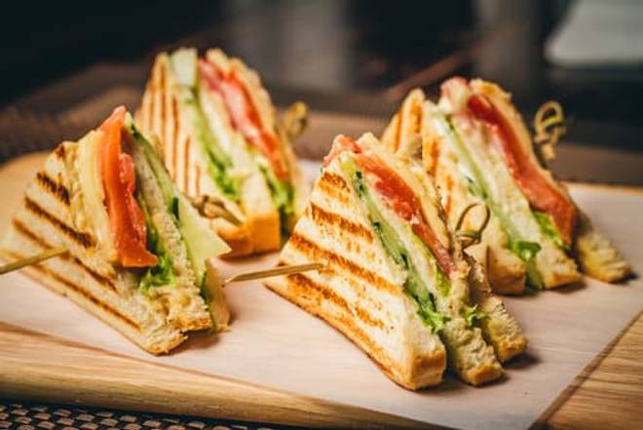
🍊 Restaurant Information

Name | VB GRILL "n" CHILL
Area | Fatehgunj
Rating | 2.1
Total Ratings | 109 ratings
Cuisines | Snacks
Cost for Two | ₹200 for two
Delivery Time | 42 mins
Swiggy URL | https://www.swiggy.com/city/vadodara/vb-grill-n-chill-harni-fatehgunj-rest93795
Scraped On | 18 Mar 2026, 10:45 am

── Menu Stats ──
Total Items | 95
Veg Items | 0
Non-Veg Items | 0
Bestsellers | 0
Items with Photo | 6
Categories | Recommended, Beverage, Grilled Sandwich, Regular Sandwich, Fries & Sides, Burger & Bread Tikki, Kids Sandwich, Kids Sandwich Grill, Maggi, Corn Bowl & Salad, Garlic Bread (4 Pcs)

