Info
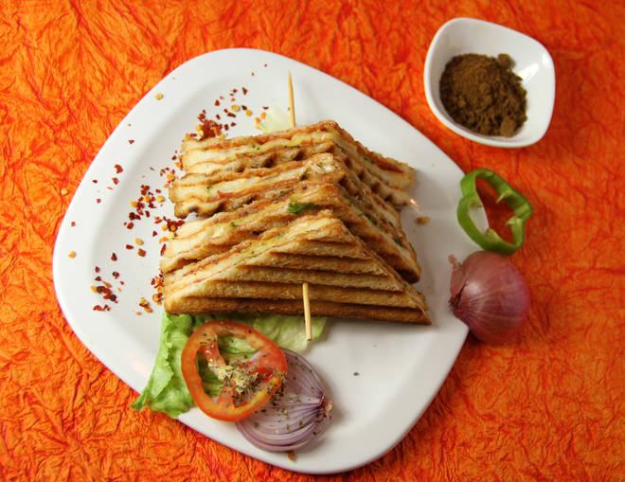
🍊 Restaurant Information

Name | Vandana Fast Food
Area | Karelibaug
Rating | --
Total Ratings | Too Few Ratings
Cuisines | Fast Food, Italian
Cost for Two | ₹200 for two
Delivery Time | 37 mins
Swiggy URL | https://www.swiggy.com/city/vadodara/vandana-fast-food-karelibaug-rest450196
Scraped On | 18 Mar 2026, 10:42 am

── Menu Stats ──
Total Items | 4
Veg Items | 0
Non-Veg Items | 0
Bestsellers | 0
Items with Photo | 3
Categories | Milk Shake

