Info
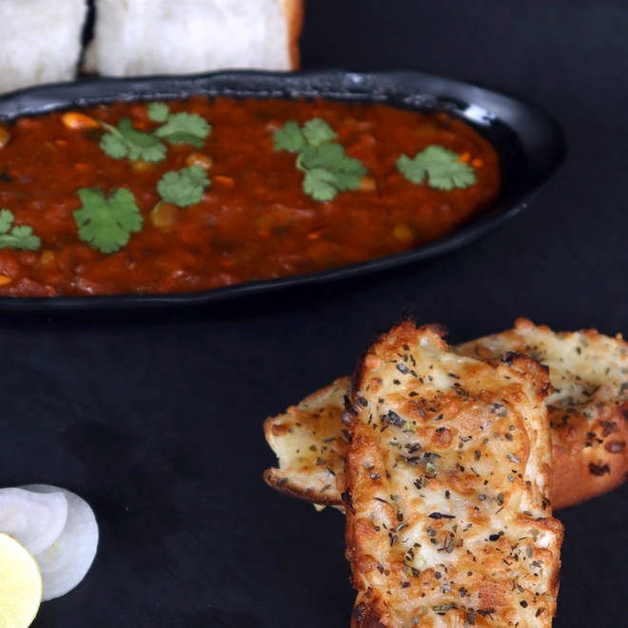
🍊 Restaurant Information

Name | Velvet Bakers
Area | Alkapuri
Rating | 4.3
Total Ratings | 302 ratings
Cuisines | Cafe, Beverages
Cost for Two | ₹500 for two
Delivery Time | 26 mins
Swiggy URL | https://www.swiggy.com/city/vadodara/velvet-bakers-alkapuri-rest67994
Scraped On | 18 Mar 2026, 10:38 am

── Menu Stats ──
Total Items | 93
Veg Items | 0
Non-Veg Items | 0
Bestsellers | 0
Items with Photo | 34
Categories | Recommended, Premium Cakes, Desserts, Hot Coffee , Breads & Toasts , Burger, Pizza, Sandwich, Wraps , Maggi , Pasta , Pasta, Cold Coffee, Thick Shake , French Fries , Cutting Chai, Mocktail, Breads & Toasts

